Coverpage
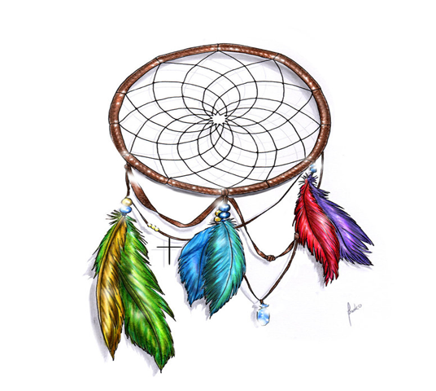

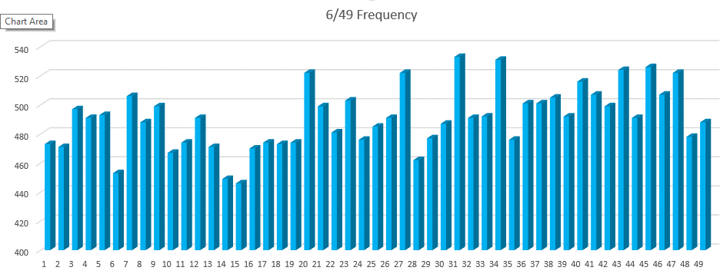

STATISTIC Pro
GENERATOR

DREAMCATCHER

Toto 7/49 Statistic Programmed By Remy Lim 2017 Jan Ver 3.1

Frequency
6/49 Frequency
218 | 100%
Numbers | Overall | Freq N | Freq S | 1 Month | 3 Month | 6 Month | 9 Month | 12 Month
1 | 32 | 30 | 2 | 1 | 5 | 13 | 16 | 24
2 | 30 | 27 | 3 | 3 | 8 | 13 | 18 | 22
3 | 37 | 34 | 3 | 2 | 9 | 13 | 21 | 27
4 | 28 | 26 | 2 | 2 | 6 | 14 | 22 | 23
5 | 32 | 30 | 2 | 2 | 5 | 8 | 10 | 19
6 | 39 | 32 | 7 | 1 | 6 | 14 | 19 | 24
7 | 29 | 24 | 5 | 2 | 3 | 8 | 15 | 21
8 | 40 | 34 | 6 | 3 | 8 | 14 | 21 | 32
9 | 32 | 28 | 4 |  | 4 | 8 | 17 | 22
10 | 27 | 25 | 2 | 3 | 5 | 8 | 13 | 20
11 | 33 | 31 | 2 | 1 | 5 | 14 | 21 | 27
12 | 30 | 23 | 7 | 1 | 2 | 10 | 14 | 22
13 | 25 | 21 | 4 |  | 3 | 6 | 12 | 16
14 | 33 | 30 | 3 | 2 | 7 | 12 | 19 | 23
15 | 30 | 27 | 3 | 2 | 6 | 12 | 16 | 20
16 | 20 | 16 | 4 | 2 | 3 | 8 | 13 | 17
17 | 25 | 22 | 3 | 1 | 4 | 6 | 13 | 17
18 | 36 | 31 | 5 | 3 | 6 | 12 | 20 | 26
19 | 36 | 29 | 7 |  | 7 | 14 | 19 | 27
20 | 37 | 30 | 7 | 1 | 5 | 9 | 19 | 25
21 | 39 | 33 | 6 | 2 | 7 | 14 | 26 | 29
22 | 32 | 26 | 6 | 1 | 5 | 12 | 20 | 24
23 | 28 | 22 | 6 | 2 | 4 | 12 | 18 | 23
24 | 36 | 33 | 3 | 2 | 11 | 17 | 21 | 26
25 | 30 | 24 | 6 | 2 | 5 | 7 | 11 | 19
26 | 32 | 29 | 3 |  | 4 | 13 | 16 | 22
27 | 26 | 21 | 5 | 1 | 5 | 9 | 12 | 19
28 | 30 | 25 | 5 | 3 | 6 | 8 | 18 | 25
29 | 26 | 20 | 6 | 1 | 2 | 8 | 14 | 17
30 | 25 | 18 | 7 | 1 | 5 | 11 | 17 | 19
31 | 40 | 32 | 8 | 1 | 5 | 12 | 19 | 26
32 | 29 | 25 | 4 | 1 | 3 | 9 | 15 | 18
33 | 35 | 29 | 6 | 2 | 2 | 5 | 18 | 25
34 | 24 | 21 | 3 | 2 | 6 | 11 | 16 | 19
35 | 34 | 31 | 3 | 2 | 7 | 15 | 21 | 26
36 | 38 | 34 | 4 | 3 | 7 | 16 | 20 | 27
37 | 24 | 21 | 3 | 1 | 5 | 7 | 12 | 17
38 | 30 | 28 | 2 | 2 | 5 | 8 | 13 | 17
39 | 29 | 26 | 3 | 4 | 8 | 12 | 20 | 23
40 | 33 | 30 | 3 | 1 | 7 | 13 | 20 | 27
41 | 29 | 26 | 3 |  | 5 | 6 | 12 | 20
42 | 29 | 19 | 10 | 4 | 6 | 11 | 14 | 16
43 | 24 | 17 | 7 | 4 | 5 | 8 | 12 | 16
44 | 26 | 23 | 3 | 3 | 5 | 13 | 16 | 20
45 | 18 | 18 |  | 1 | 2 | 3 | 5 | 8
46 | 39 | 34 | 5 | 5 | 10 | 16 | 23 | 28
47 | 30 | 25 | 5 | 2 | 4 | 8 | 12 | 18
48 | 39 | 33 | 6 | 1 | 10 | 15 | 21 | 31
49 | 41 | 35 | 6 | 5 | 10 | 17 | 26 | 33

